Specification Form
Please amend all fields marked in green:

Legal Text
Client Name: | Baloise Lebensversicherung AG Deutschland
Date: | 20221201

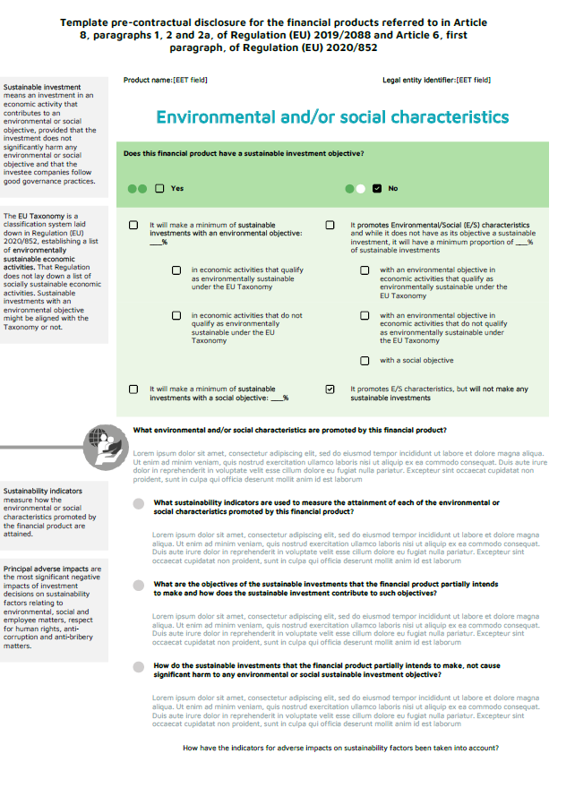
Definitions Text
Main Header
Category | Information | Preferred format / Specific need | Client input
Layout
Background of Definitions | Background color | RGB, HEX (0-0-0) | #F2F2F2
Background of Info Boxes | Background color | RGB, HEX (0-0-0) | #FFECBC
Background of Info Boxes Dark | Background color | RGB, HEX (0-0-0) | #FFBE1A
Info Box Dark Text
Font
Legal Text | Font family | Utf-8 compliant | Arial
Background of Info Boxes Dark
Legal Text | Font size | pts | 9 fett
Legal Text | Font color | RGB, HEX (0-0-0) | #000000
Main Header | Font family | Utf-8 compliant | Lucida Sans
Main Header | Font size | pts | 18 fett
Main Header | Font color | RGB, HEX (0-0-0) | #00B28F
Main Question | Font family | Utf-8 compliant | Arial
Info Box Text
Main Question | Font size | pts | 11 fett
Main Question | Font color | RGB, HEX (0-0-0) | #000D6E
Sub Question | Font family | Utf-8 compliant | Arial
Sub Question | Font size | pts | 11 fett
Background of Info Boxes
Sub Question | Font color | RGB, HEX (0-0-0) | #000D6E
SubSub Question | Font family | Utf-8 compliant | Arial
Background of Definitions
SubSub Question | Font size | pts | 11 fett
SubSub Question | Font color | RGB, HEX (0-0-0) | #000D6E
Info Box Text | Font family | Utf-8 compliant | Arial
Main Question
Info Box Text | Font size | pts | 9 fett
Info Box Text | Font color | RGB, HEX (0-0-0) | #000D6E
Info Box Dark Text | Font family | Utf-8 compliant | Arial
Info Box Dark Text | Font size | pts | 12 fett
Sub Question
Info Box Dark Text | Font color | RGB, HEX (0-0-0) | #000D6E
Answer Text | Font family | Utf-8 compliant | Arial
Answer Text | Font size | pts | 10
Answer Text | Font color | RGB, HEX (0-0-0) | #000D6E
Definitions Text | Font family | Utf-8 compliant | Arial
Definitions Text | Font size | pts | 7.5
Definitions Text | Font color | RGB, HEX (0-0-0) | #000000

Answer Text

SubSub Question

